Summary
 |  |  | Snapshot on 06-04-26 at 11-06
Financial and Approval Summary |  | ver Updated: 2/15/2025 | Snapshot on | 2026-06-04 11:06:30
SalesForce ID |  | e.g. 44404522 |  | 6/4/26
Financial Force Project (if any) |  | e.g. PR-010641
Region | UK
Customer
Opportunity Name
 | Enter details (Names) Below | Date approved on
Cost Model Estimates by
Regional Director Approved
Delivery Approved by
GTM Regional Leader
Finance/ Pricing
Offering
Delivery Type
Project Start Date
Project End Date
Units of Service
Currency

Revenue | 1,022,220
Approved Negotiated Discount | -208,533
Minimum Approved Revenue | 813,687
Resource Costs | 463,907 | 6440 Hours efforts
3rd Party Costs/Other BU costs | 0
Materials and Expenses | 0
Channel Partner Costs | 0
Contingency | 23,195.4
Contingency % | 2.9% | of the Revenue!
Total Costs | 487,103
Project Profit | 326,584
Project Gross Margin | 40.1% | Approved margins

Approval Matrices
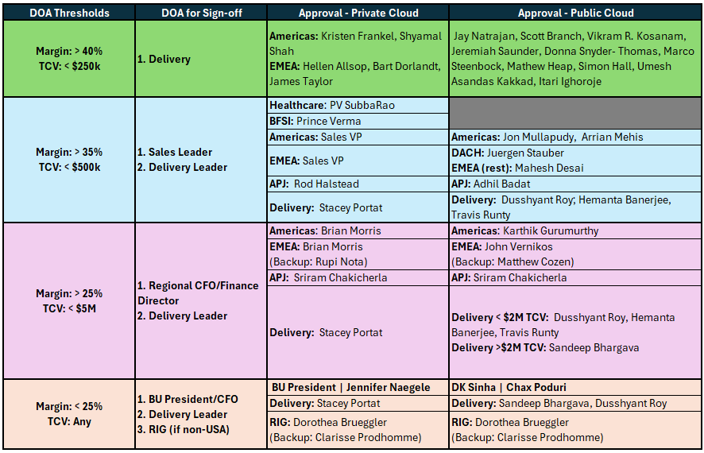

Include pricing@rackspace.com or pricingintl@rackspace.com (for other than AMER) on cc for any deal <35% margins

Calculator
Please answer each question before entering PS resources
BT
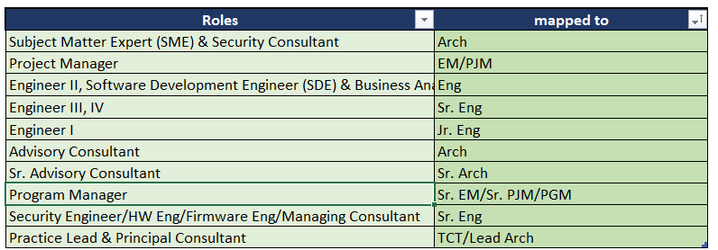
 | Updated: 2/15/2025 | 0 |  |  |  |  |  |  |  |  |  | Work Area
 |  | Choose from dropdowns below
 | Is this a T&M or a Fixed price project? | Fixed Price
 | Which market is the project being delivered | UK
 | Is there another RXT BU/3rd party/contractor involved? | No |  | Total cost from BU/3rd Party | $0
 | Currency | GBP |  | Internal BU/3rd Party margins
 | Days or Hours | Hours |  | 3rd Party/Contractor Priced at | $0
 | Is TCV likely >1M or is it a Govt. Project | No |  | Margins under high utilization assumptions | 47.2%
 | Channel Partner (if any) | None |  | Any strategic discounts | 20.4%
 |  |  |  | Summary
 | Non Billable travel and other expenses |  |  | Total Price | $813,687.1 | (from configuration below)
 |  |  |  | Total Hours | 6,440 | Hours
 |  |  |  | Deal Margin (Gross)* | 40.1%
 | Resource cost estimate based on hrs | $463,907 |  | *The gross margin is based on direct costs to deliver. Other company overheads such as Sales, Marketing,
 |  |  |  | Corporate, R&D, etc ranges from 20-27%. We need to be greater than that!
 | 3rd Party Delivery Partner cost w/o contingency | $0
 | Channel Partner Cost | $0 |  | Contingency | 5.0%
 | Total Cost | $487,103 |  | Contingency Factored (enter) | 5.0%
 | Contingency | $23,195 |  | Contingency (enter if any) | 0.0%

SN | Practice Area | Region Sourced from | Role | Hours | Price/hr | Choose between "List price" or "Strategic margin/Price" | Enter custom price or custom margin value | Extended Price | Cost/hr | Margins | Discounted Price/hr after strategic discount | Enter Comments | Count of resources available in region | Suggested min. Price | Possible Cost | Notes on the chosen role | SOW Role (please select for the resourcing)
1 | Platform and Apps | UK | Sr. EM/Sr. PJM/PGM | 800.0 | 233 | List Price | $186 | $186,400 | $108 | 54% | $185 | Engagement Manager | 130 | 212 | 102 | role also mapped to Program Manager
2 | Platform and Apps | DE | Arch | 700.0 | 204 | List Price | 50% | $142,800 | $112 | 45% | $162 | Lead Architect | 134 | 185 | 103 | role also mapped to Subject Matter Expert (SME) & Security Consultant
3 | Platform and Apps | UK | Arch | 700.0 | 229 | List Price | $0.50 | $160,300 | $118 | 49% | $182 | Migration Consultant | 130 | 208 | 111 | role also mapped to Subject Matter Expert (SME) & Security Consultant
4 | Platform and Apps | NL | Arch | 700.0 | 206 | List Price | $0.50 | $144,200 | $88 | 57% | $164 | Cloud Architect (1) | 133 | 187 | 101 | role also mapped to Subject Matter Expert (SME) & Security Consultant
5 | Platform and Apps | IN | Arch | 700.0 | 92 | List Price | $0.50 | $64,400 | $35 | 62% | $73 | Cloud Architect (2) | 42 | 83 | 31 | role also mapped to Subject Matter Expert (SME) & Security Consultant
6 | Platform and Apps | IN | Eng | 800.0 | 46 | List Price | 40% | $36,800 | $18 | 62% | $37 | Cloud Engg. | 21 | 42 | 15 | role also mapped to Engineer II, Software Development Engineer (SDE) & Business Analyst (BA)
7 | Data | IN | Arch | 700.0 | 137 | List Price | $0.50 | $95,900 | $49 | 64% | $109 | Database Architect 1 | 5 | 124 | 0 | role also mapped to Subject Matter Expert (SME) & Security Consultant
8 | Data | IN | Arch | 700.0 | 137 | List Price | 50% | $95,900 | $49 | 64% | $109 | Database Architect 2 | 5 | 124 | 0 | role also mapped to Subject Matter Expert (SME) & Security Consultant
9 | Data | IN | Sr. Eng | 240.0 | 83 | List Price | 50% | $19,920 | $30 | 64% | $66 | Database Engineer | 12 | 75 | 21 | role also mapped to Engineer III, IV
10 | Security | UK | Arch | 400.0 | 189 | List Price | 50% | $75,600 | $103 | 46% | $150 | Security Architect | 7 | 172 | 94 | role also mapped to Subject Matter Expert (SME) & Security Consultant
 |  |  |  | 0.0 |  | List Price | 50% |  |  |  |  |  |  |  | 0
 |  |  |  | 0.0 |  | List Price | 50% |  |  |  |  |  |  |  | 0
 |  |  |  | 0.0 |  | List Price | 50% |  |  |  |  |  |  |  | 0
 |  |  |  | 0.0 |  | List Price | 50% |  |  |  |  |  |  |  | 0
 |  |  |  |  | 165 | Custom margin/Price | 16500% |  |  |  | $131 |  |  |  | 0
 |  |  |  | 0.0 |  | List Price | 50% |  |  |  |  |  |  |  | 0
 |  |  |  | 0.0 |  | List Price | 50% |  |  |  |  |  |  |  | 0
 |  |  |  | 0.0 |  | List Price | 50% |  |  |  |  |  |  |  | 0
 |  |  |  | 0.0 |  | List Price | 50% |  |  |  |  |  |  |  | 0
 |  |  |  | 0.0 |  | List Price | 50% |  |  |  |  |  |  |  | 0
 |  |  |  | 0.0 |  | List Price | 50% |  |  |  |  |  |  |  | 0

Table B | Make sure you choose 'Yes' as the option if you are using "3rd party contractor" in cell F5
Item | External or Internal Cost | Type of cost (i.e. license or resources) | Add details or comments | Cost (per unit/ per hr/per day rate) to Rackspace | Qty (In same as cost units) | Enter required margin or Price | Price per unit | Extended Price | Add contingency
 |  |  |  |  |  |  | 0.0 | 0.0
 |  |  |  |  |  |  | 0.0 | 0.0 |  |  | d
 |  |  |  |  |  |  | 0.0 | 0.0
 |  |  |  |  |  |  | 0.0 | 0.0
 |  |  |  |  |  |  | 0.0 | 0.0
 |  |  |  |  |  |  | 0.0 | 0.0
 |  |  |  |  |  |  | 0.0 | 0.0
 |  |  |  |  |  |  | 0.0 | 0.0
 |  |  |  |  |  |  | 0.0 | 0.0
 |  |  |  |  |  |  | 0.0 | 0.0
 |  |  |  |  |  |  | 0.0 | 0.0
 |  |  |  |  |  |  | 0.0 | 0.0
 |  |  |  |  |  |  | 0.0 | 0.0
 |  |  |  |  |  |  | 0.0 | 0.0
 |  |  |  |  |  |  | 0.0 | 0.0
 |  |  |  |  |  |  | 0.0 | 0.0
 |  |  |  |  |  |  | 0.0 | 0.0
 |  |  |  |  |  |  | 0.0 | 0.0
 |  |  |  |  |  |  | 0.0 | 0.0
 |  |  |  |  |  |  | 0.0 | 0.0
 |  |  |  |  |  |  | 0.0 | 0.0
 |  |  |  |  |  |  | 0.0 | 0.0

